System Dev. Plan
INTERNAL USE ONLY
Access: PSCSG Project Members Only
INTERNAL USE ONLY
Access: PSCSG Project Members Only
INTERNAL USE ONLY
Access: PSCSG Project Members Only
INTERNAL USE ONLY
Access: PSCSG Project Members Only
INTERNAL USE ONLY
Access: Project Members Only
SYSTEM REQUEST FORM
(New System Introduction / System Enhancement / Bug Fix)

System Development Plan

System : |  |  | Gprism
Module :
Subject : |  |  | PS00S01001960 - Machine Downtime Email Master

Please indicate 'Y' (Yes) or 'NA' (Non-Applicable) in the BOX for the maintenance of the documents of the following items. MANDATORY. If 'Y', please attach its related documents or indicate the reference document.

System Outline
 |  |  |  |  | Document Maintained (if others, please specify) | Explantion Note

 | (1) | Request Background / Description |  | Y | System Request Form | Management issues / User division request

 | (2) | Aims of System Construction |  | Y | System Request Form | Objectives / Benefits

 | (3) | Outline of IT Solutions |  | Y | System Request Form | Solution Details

 | (4) | Business Flow |  | NA | Blueprint | Business Flow Diagram, Process Flow Diagram

 | (5) | Diagram of System Outline |  | Y | Functional Specifications | User divisions, functions and outline of information
 |  |  |  |  | FS Version No. :

 | (6) | Outline of Functions |  | Y | Functional Specifications | Explanation of functions

 | (7) | Outline of Input & Output |  | Y | Functional Specifications | List of major screens and reports

 |  |  |  |  |  |  |  | `
 | (8) | System Interface |  | N | Functional Specifications | Method to send/receive data

 | (9) | Testing |  | Y | Test Plan and Test Result | Test Plan defind the scope of test & test scenarios
 |  |  |  |  |  | Test result register the result of the test scenarios

 | (10) | Migration Plan |  | N | Common Contingency Plan | Outline of migration method, estimated period and scale
 |  |  |  |  | as in Procedure for
 |  |  |  |  | System development / Major System Enhancement
 |  |  |  |  | (For CIM system - fill "CIM System - Program Migration Check List)

Promotion Schedule |  |  |  | Y | System Request Form / Project DCP Meeting | Schedule of all processses in this project

Project Structure
 | (1) | Organization Chart for Basic Design |  | NA | Project DCP Materials | Organization chart (members), roles, responsibilities and authorities

 | (2) | Project Management |  | NA | Project DCP Materials | Purpose of meetings, frequency of meetings, participants

 | (3) | Total Man-Days |  | Y | System Request Form / Project DCP Materials | Total system development effort

 |  |  |  |  | 1

Cost Effectiveness
 | (1) | Cost |  | NA | Project Investment Plan | Estimated development cost and operation cost

 | (2) | Effect / Benefit |  | NA | Project Investment Plan | Quantitative and qualitative effect / benefit

 | (3) | ROI |  | NA | Project Investment Plan | Return on Investment

Management
 | (1) | Information Security |  | Y | ISM | Classification of information, limit of disclosure, access control method, etc

For New System Introduction, Development that involves change in basic program design, Development that takes more than 10 man-days
and/or Critical program changes :
System devlopment plan is to be discussed and signed-off by Business Manager

Approved by (Business Manager)

(Name, Signature, Date) |  |  |  |  |  |  | FMSC-MIS-001-13 G.REV1

Test Plan Signoff
Note:
Only need to print the Test Plan Version corresponding to the System Request Number that is being serviced. (Use "hide" function.)
INTERNAL USE ONLY
Access: Gprism Project Members Only
PS00S01001960 - Machine Downtime Email Master
Test Plan Signoff Form

Request Title: |  | Gprism
Description : |  | The document summarises the Test plan and the Test Scenarios for program

No | Description
1 | Program Description

Ver | System Request Number | Purpose | Scope | System To Be Tested In | IT Dept. Schedule | To Be Tested By IT | User Dept. Schedule | To Be Tested /Acknowldged By | Approved by IT Dept. | Approved by User Dept.
 |  |  |  |  |  |  |  |  | (Name, Sign.,Date) | (Name, Sign.,Date)
1 | Machine Downtime Email Master CCD Project | Machine Downtime Email Master | Test All Function | Gprism - DEV | 2017-04-13 | Mydel

Project Information
Company: |  | PIDSCSA
Project Name: |  | Machine Downtime Email Master

Test Plan
INTERNAL USE ONLY
Access: Gprism Project Members Only
PS00S01001960 - Machine Downtime Email Master
Test Plan

Sub module | Sys Req No | Test ID | Test Scenarios | Option | Test Schedule | Expected Result | Actual Result | User Test (Name, Signature,Date) | IT Verification (Name, Signature,Date) | Status of Testing
 |  | 1 | Scenario 1 : Check required input for filtering |  |  | Error message shown if required inputs are empty | Same as Expected result. | Mydel/2017-04-13 |  | OK
 |  | 2 | Scenario 2 : Check for illegal characters |  |  | Error message shown if required inputs have any Illegal Characters. | Same as Expected result. | Mydel/2017-04-13 |  | OK
 |  | 3 | Scenario 3 : Check for Tag |  |  | Error message shown when inputs have wrong tag | Same as Expected result. | Mydel/2017-04-13 |  | OK
 |  | 4 | Scenario 4 : Retrieve the list of User Id |  |  | Display the list of User Id | Same as Expected result. | Mydel/2017-04-13 |  | OK
 |  | 5 | Scenario 5 : Check required input for User Id |  |  | Error message shown if required inputs are empty | Same as Expected result. | Mydel/2017-04-13 |  | OK
 |  | 6 | Scenario 6 : Check duplicated User Id |  |  | Error message shown when input same User Id. | Same as Expected result. | Mydel/2017-04-13 |  | OK
 |  | 7 | Scenario 7 : Check User Id without department |  |  | Error message shown when input User Id not included in EQP or TNM or PRN department. | Same as Expected result. | Mydel/2017-04-13 |  | OK
 |  | 8 | Scenario 8 : Check email with employee master data, return message and show message |  |  | Error message shown when input invalid email addresses. | Same as Expected result. | Mydel/2017-04-13 |  | OK
 |  | 9 | Scenario 9 : Add / update program details |  |  | Error message show | Same as Expected result. | Mydel/2017-04-13 |  | OK
 |  | 10
 |  | 11
 |  | 12
 |  | 13
 |  | 14
 |  | 15

Scenario 1
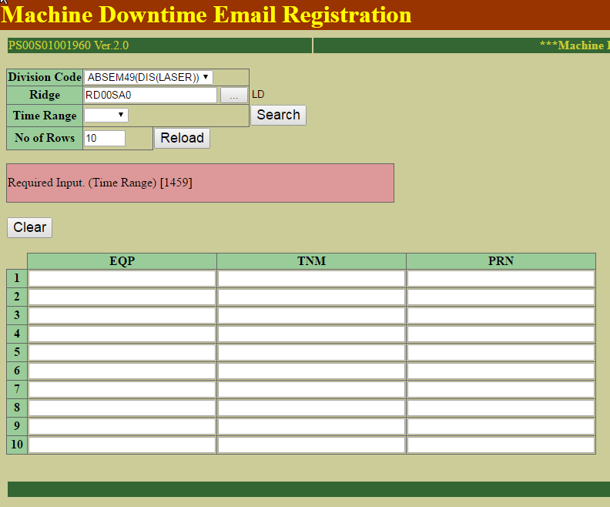
Scenario 1 : Check required input for filtering

Expected Result | Actual Result
Error message shown if required inputs are empty | Same as Expected result.

Empty Division Code

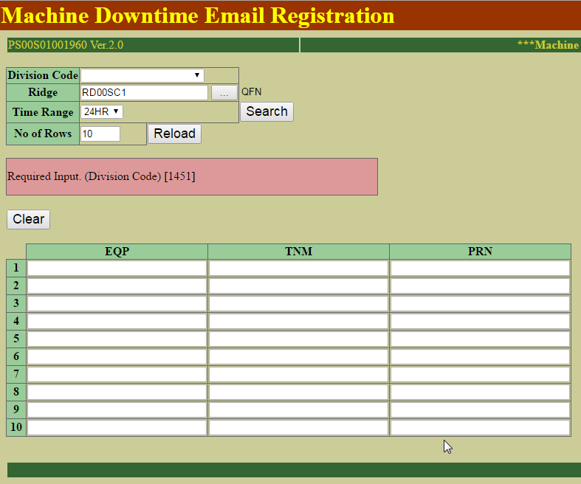

Empty Ridge

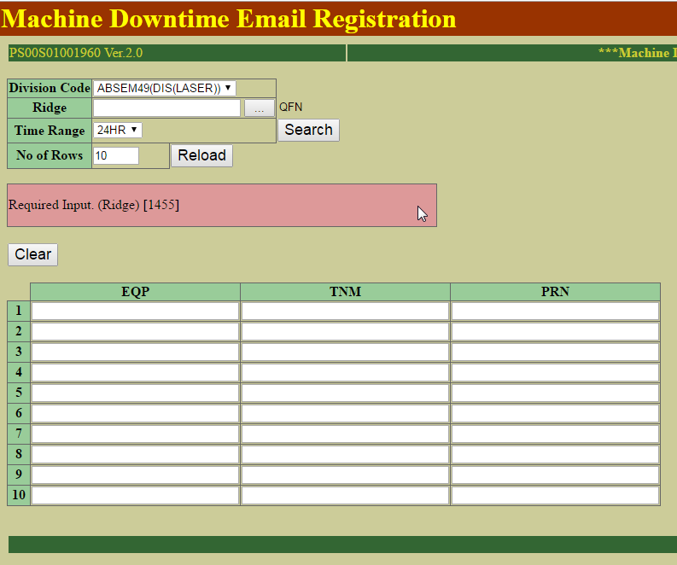

Empty Time Range

Scenario 2
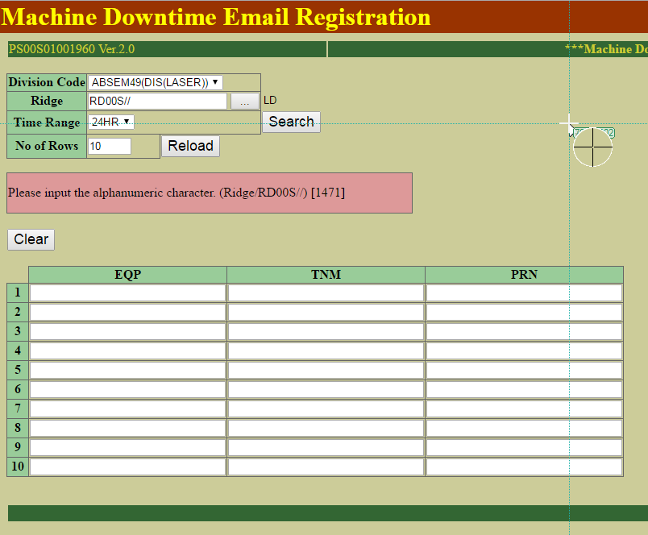
Scenario 2 : Check for illegal characters

Expected Result | Actual Result
Error message shown if required inputs have any Illegal Characters. | Same as Expected result.

Ridge have Alphanumeric character

Scenario3
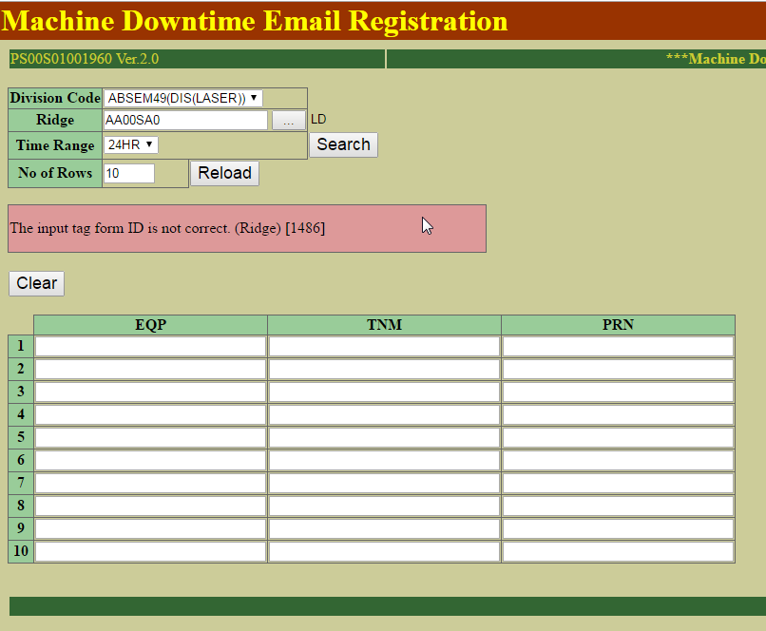
Scenario 3 : Check for Tag

Expected Result | Actual Result
Error message shown when inputs have wrong tag | Same as Expected result.

Check for Tag. "RD" is the valid

Scenario 4
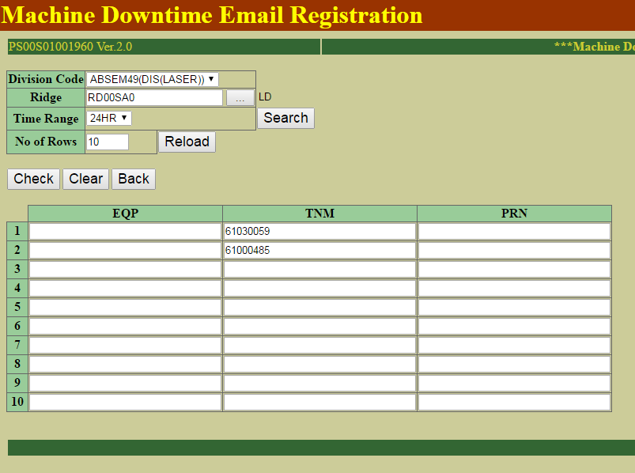
Scenario 4 : Retrieve the list of User Id

Expected Result | Actual Result
Display the list of User Id | Same as Expected result.

Display the list of User Id

Scenario 5
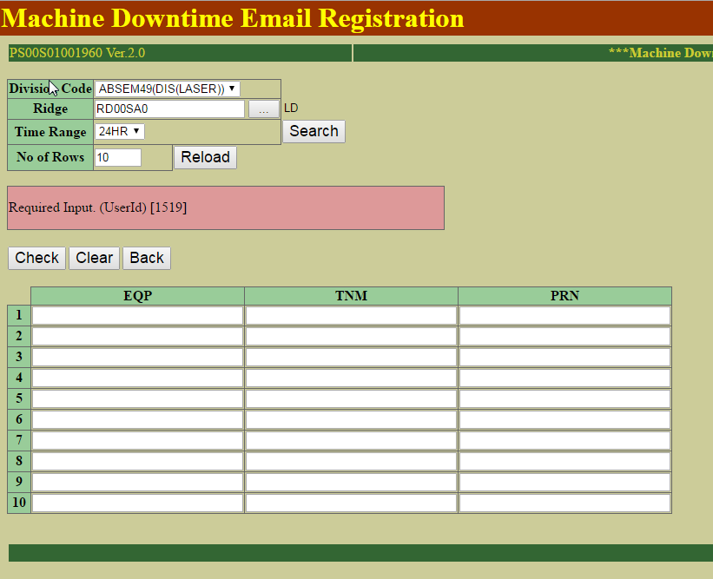
Scenario 5 : Check required input for User Id

Expected Result | Actual Result
Error message shown if required inputs are empty | Same as Expected result.

Check required input for User Id

Scenario 6
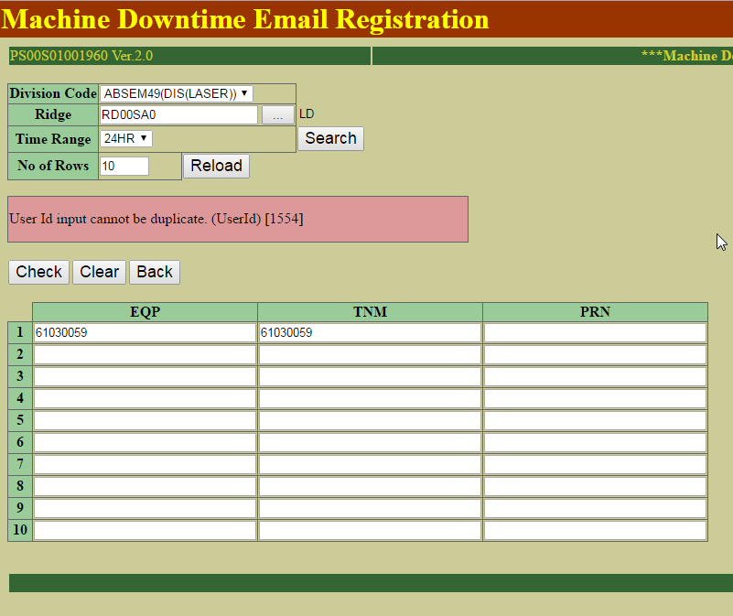
Scenario 6 : Check duplicated User Id

Expected Result | Actual Result
Error message shown when input same User Id. | Same as Expected result.

Check duplicated User Id

Scenario 7
Scenario 7 : Check User Id without department

Expected Result | Actual Result
Error message shown when input User Id not included in EQP or TNM or PRN department. | Same as Expected result.

Check User Id not in EQP, TNM and PRN department

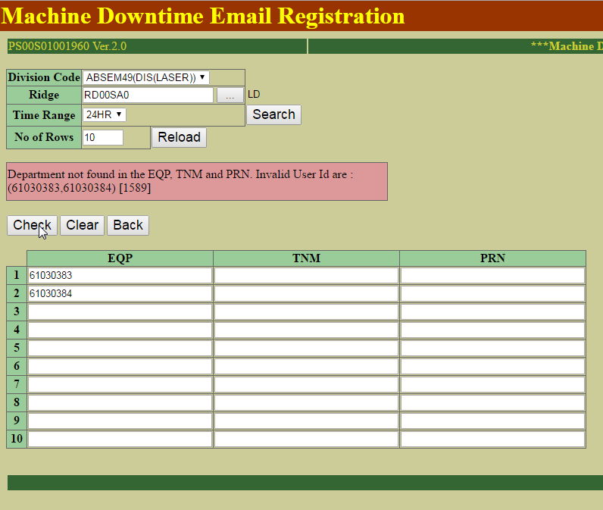

 |  | sql: | SELECT * FROM RCP_MST WHERE RCP_CD = 'RC21S0000001'
 |  | DEL_FLG | RCP_CD | PRM_CD | LST_NO | PRM_DAT_TXT | PRM_DAT_VAL | NUM_PRM_FLG | UNT_CD | DSP_FLG | GTH_FLG_RCP | CRT_DTS | USR_ID_CRT | UPD_DTS | USR_ID_UPD | UPD_LEV
 |  | 1 | RC21S0000001 | PM49S0000128 | 1 |  | Null | 0 |  | 0 | 0 | 3/27/17 | MASEMC30381 | 3/27/17 | MASEMC30381 | 1
 |  | 1 | RC21S0000001 | PM49S0000129 | 2 |  | Null | 0 |  | 0 | 0 | 3/27/17 | MASEMC30381 | 3/27/17 | MASEMC30381 | 1
 |  | 1 | RC21S0000001 | PM49S0000130 | 3 |  | Null | 0 |  | 0 | 0 | 3/27/17 | MASEMC30381 | 3/27/17 | MASEMC30381 | 1
 |  | 1 | RC21S0000001 | PM49S0000131 | 4 |  | Null | 0 |  | 0 | 0 | 3/27/17 | MASEMC30381 | 3/27/17 | MASEMC30381 | 1
 |  | 1 | RC21S0000001 | PM49S0000132 | 5 |  | Null | 0 |  | 0 | 0 | 3/27/17 | MASEMC30381 | 3/27/17 | MASEMC30381 | 1
 |  | 1 | RC21S0000001 | PM49S0000133 | 6 |  | Null | 0 |  | 0 | 0 | 3/27/17 | MASEMC30381 | 3/27/17 | MASEMC30381 | 1
 |  | 1 | RC21S0000001 | PM00S0000001 | 7 | DUMMY TESTER | Null | 0 |  | 0 | 0 | 3/27/17 | MASEMC30381 | 3/27/17 | MASEMC30381 | 1
 |  | 1 | RC21S0000001 | PM00S0000002 | 8 | DUMMY FIXTURE | Null | 0 |  | 0 | 0 | 3/27/17 | MASEMC30381 | 3/27/17 | MASEMC30381 | 1
 |  | 1 | RC21S0000001 | PM21S0000002 | 10 | MN34410P1T-L_AMK | Null | 0 |  | 0 | 0 | 3/27/17 | MASEMC30381 | 3/27/17 | MASEMC30381 | 1
 |  | 1 | RC21S0000001 | PM21S0000001 | 9 | OK1 | Null | 0 |  | 0 | 0 | 3/27/17 | MASEMC30381 | 3/27/17 | MASEMC30381 | 1
 |  | 1 | RC21S0000001 | PM49S0000128 | 1 | EQ21S00002 | Null | 0 |  | 0 | 0 | 3/27/17 | MASEMC30381 | 3/27/17 | MASEMC30381 | 2
 |  | 1 | RC21S0000001 | PM49S0000129 | 2 |  | Null | 0 |  | 0 | 0 | 3/27/17 | MASEMC30381 | 3/27/17 | MASEMC30381 | 2
 |  | 1 | RC21S0000001 | PM49S0000130 | 3 |  | Null | 0 |  | 0 | 0 | 3/27/17 | MASEMC30381 | 3/27/17 | MASEMC30381 | 2
 |  | 1 | RC21S0000001 | PM49S0000131 | 4 |  | Null | 0 |  | 0 | 0 | 3/27/17 | MASEMC30381 | 3/27/17 | MASEMC30381 | 2
 |  | 1 | RC21S0000001 | PM49S0000132 | 5 |  | Null | 0 |  | 0 | 0 | 3/27/17 | MASEMC30381 | 3/27/17 | MASEMC30381 | 2
 |  | 1 | RC21S0000001 | PM49S0000133 | 6 |  | Null | 0 |  | 0 | 0 | 3/27/17 | MASEMC30381 | 3/27/17 | MASEMC30381 | 2
 |  | 1 | RC21S0000001 | PM00S0000001 | 7 | DUMMY TESTER | Null | 0 |  | 0 | 0 | 3/27/17 | MASEMC30381 | 3/27/17 | MASEMC30381 | 2
 |  | 1 | RC21S0000001 | PM00S0000002 | 8 | DUMMY FIXTURE | Null | 0 |  | 0 | 0 | 3/27/17 | MASEMC30381 | 3/27/17 | MASEMC30381 | 2
 |  | 1 | RC21S0000001 | PM21S0000002 | 10 | MN34410P1T-L_AMK | Null | 0 |  | 0 | 0 | 3/27/17 | MASEMC30381 | 3/27/17 | MASEMC30381 | 2
 |  | 1 | RC21S0000001 | PM21S0000001 | 9 | OK1 | Null | 0 |  | 0 | 0 | 3/27/17 | MASEMC30381 | 3/27/17 | MASEMC30381 | 2
 |  | 0 | RC21S0000001 | PM49S0000128 | 1 | EQ21S00002 | Null | 0 |  | 0 | 0 | 3/27/17 | MASEMC30381 | 0001-01-01 00:00:00 |  | 3
 |  | 0 | RC21S0000001 | PM49S0000129 | 2 |  | Null | 0 |  | 0 | 0 | 3/27/17 | MASEMC30381 | 0001-01-01 00:00:00 |  | 3
 |  | 0 | RC21S0000001 | PM49S0000130 | 3 |  | Null | 0 |  | 0 | 0 | 3/27/17 | MASEMC30381 | 0001-01-01 00:00:00 |  | 3
 |  | 0 | RC21S0000001 | PM49S0000131 | 4 |  | Null | 0 |  | 0 | 0 | 3/27/17 | MASEMC30381 | 0001-01-01 00:00:00 |  | 3
 |  | 0 | RC21S0000001 | PM49S0000132 | 5 |  | Null | 0 |  | 0 | 0 | 3/27/17 | MASEMC30381 | 0001-01-01 00:00:00 |  | 3
 |  | 0 | RC21S0000001 | PM49S0000133 | 6 |  | Null | 0 |  | 0 | 0 | 3/27/17 | MASEMC30381 | 0001-01-01 00:00:00 |  | 3

 |  | 0 | RC21S0000001 | PM00S0000002 | 8 | DUMMY FIXTURE | Null | 0 |  | 0 | 0 | 3/27/17 | MASEMC30381 | 0001-01-01 00:00:00 |  | 3
 |  | 0 | RC21S0000001 | PM21S0000001 | 9 | OK1 | Null | 0 |  | 0 | 0 | 3/27/17 | MASEMC30381 | 0001-01-01 00:00:00 |  | 3
 |  | 0 | RC21S0000001 | PM21S0000002 | 10 | MN34410P1T-L_AMK | Null | 0 |  | 0 | 0 | 3/27/17 | MASEMC30381 | 0001-01-01 00:00:00 |  | 3

Scenario 8
Scenario 8 : Check email with employee master data, return message and show message

Expected Result | Actual Result
Error message shown when input invalid email addresses. | Same as Expected result.

Check email with employee master data

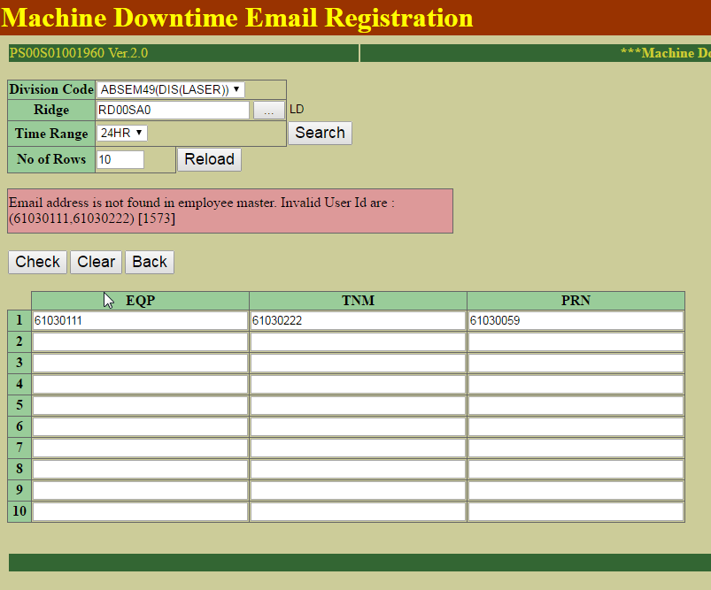

 |  | sql: | SELECT * FROM RCP_MST WHERE RCP_CD = 'RC21S0000001'
 |  | DEL_FLG | RCP_CD | PRM_CD | LST_NO | PRM_DAT_TXT | PRM_DAT_VAL | NUM_PRM_FLG | UNT_CD | DSP_FLG | GTH_FLG_RCP | CRT_DTS | USR_ID_CRT | UPD_DTS | USR_ID_UPD | UPD_LEV
 |  | 1 | RC21S0000001 | PM49S0000128 | 1 |  | Null | 0 |  | 0 | 0 | 3/27/17 | MASEMC30381 | 3/27/17 | MASEMC30381 | 1
 |  | 1 | RC21S0000001 | PM49S0000129 | 2 |  | Null | 0 |  | 0 | 0 | 3/27/17 | MASEMC30381 | 3/27/17 | MASEMC30381 | 1
 |  | 1 | RC21S0000001 | PM49S0000130 | 3 |  | Null | 0 |  | 0 | 0 | 3/27/17 | MASEMC30381 | 3/27/17 | MASEMC30381 | 1
 |  | 1 | RC21S0000001 | PM49S0000131 | 4 |  | Null | 0 |  | 0 | 0 | 3/27/17 | MASEMC30381 | 3/27/17 | MASEMC30381 | 1
 |  | 1 | RC21S0000001 | PM49S0000132 | 5 |  | Null | 0 |  | 0 | 0 | 3/27/17 | MASEMC30381 | 3/27/17 | MASEMC30381 | 1
 |  | 1 | RC21S0000001 | PM49S0000133 | 6 |  | Null | 0 |  | 0 | 0 | 3/27/17 | MASEMC30381 | 3/27/17 | MASEMC30381 | 1
 |  | 1 | RC21S0000001 | PM00S0000001 | 7 | DUMMY TESTER | Null | 0 |  | 0 | 0 | 3/27/17 | MASEMC30381 | 3/27/17 | MASEMC30381 | 1
 |  | 1 | RC21S0000001 | PM00S0000002 | 8 | DUMMY FIXTURE | Null | 0 |  | 0 | 0 | 3/27/17 | MASEMC30381 | 3/27/17 | MASEMC30381 | 1
 |  | 1 | RC21S0000001 | PM21S0000002 | 10 | MN34410P1T-L_AMK | Null | 0 |  | 0 | 0 | 3/27/17 | MASEMC30381 | 3/27/17 | MASEMC30381 | 1
 |  | 1 | RC21S0000001 | PM21S0000001 | 9 | OK1 | Null | 0 |  | 0 | 0 | 3/27/17 | MASEMC30381 | 3/27/17 | MASEMC30381 | 1
 |  | 1 | RC21S0000001 | PM49S0000128 | 1 | EQ21S00002 | Null | 0 |  | 0 | 0 | 3/27/17 | MASEMC30381 | 3/27/17 | MASEMC30381 | 2
 |  | 1 | RC21S0000001 | PM49S0000129 | 2 |  | Null | 0 |  | 0 | 0 | 3/27/17 | MASEMC30381 | 3/27/17 | MASEMC30381 | 2
 |  | 1 | RC21S0000001 | PM49S0000130 | 3 |  | Null | 0 |  | 0 | 0 | 3/27/17 | MASEMC30381 | 3/27/17 | MASEMC30381 | 2
 |  | 1 | RC21S0000001 | PM49S0000131 | 4 |  | Null | 0 |  | 0 | 0 | 3/27/17 | MASEMC30381 | 3/27/17 | MASEMC30381 | 2
 |  | 1 | RC21S0000001 | PM49S0000132 | 5 |  | Null | 0 |  | 0 | 0 | 3/27/17 | MASEMC30381 | 3/27/17 | MASEMC30381 | 2
 |  | 1 | RC21S0000001 | PM49S0000133 | 6 |  | Null | 0 |  | 0 | 0 | 3/27/17 | MASEMC30381 | 3/27/17 | MASEMC30381 | 2
 |  | 1 | RC21S0000001 | PM00S0000001 | 7 | DUMMY TESTER | Null | 0 |  | 0 | 0 | 3/27/17 | MASEMC30381 | 3/27/17 | MASEMC30381 | 2
 |  | 1 | RC21S0000001 | PM00S0000002 | 8 | DUMMY FIXTURE | Null | 0 |  | 0 | 0 | 3/27/17 | MASEMC30381 | 3/27/17 | MASEMC30381 | 2
 |  | 1 | RC21S0000001 | PM21S0000002 | 10 | MN34410P1T-L_AMK | Null | 0 |  | 0 | 0 | 3/27/17 | MASEMC30381 | 3/27/17 | MASEMC30381 | 2
 |  | 1 | RC21S0000001 | PM21S0000001 | 9 | OK1 | Null | 0 |  | 0 | 0 | 3/27/17 | MASEMC30381 | 3/27/17 | MASEMC30381 | 2
 |  | 0 | RC21S0000001 | PM49S0000128 | 1 | EQ21S00002 | Null | 0 |  | 0 | 0 | 3/27/17 | MASEMC30381 | 0001-01-01 00:00:00 |  | 3
 |  | 0 | RC21S0000001 | PM49S0000129 | 2 |  | Null | 0 |  | 0 | 0 | 3/27/17 | MASEMC30381 | 0001-01-01 00:00:00 |  | 3
 |  | 0 | RC21S0000001 | PM49S0000130 | 3 |  | Null | 0 |  | 0 | 0 | 3/27/17 | MASEMC30381 | 0001-01-01 00:00:00 |  | 3
 |  | 0 | RC21S0000001 | PM49S0000131 | 4 |  | Null | 0 |  | 0 | 0 | 3/27/17 | MASEMC30381 | 0001-01-01 00:00:00 |  | 3
 |  | 0 | RC21S0000001 | PM49S0000132 | 5 |  | Null | 0 |  | 0 | 0 | 3/27/17 | MASEMC30381 | 0001-01-01 00:00:00 |  | 3
 |  | 0 | RC21S0000001 | PM49S0000133 | 6 |  | Null | 0 |  | 0 | 0 | 3/27/17 | MASEMC30381 | 0001-01-01 00:00:00 |  | 3

 |  | 0 | RC21S0000001 | PM00S0000002 | 8 | DUMMY FIXTURE | Null | 0 |  | 0 | 0 | 3/27/17 | MASEMC30381 | 0001-01-01 00:00:00 |  | 3
 |  | 0 | RC21S0000001 | PM21S0000001 | 9 | OK1 | Null | 0 |  | 0 | 0 | 3/27/17 | MASEMC30381 | 0001-01-01 00:00:00 |  | 3
 |  | 0 | RC21S0000001 | PM21S0000002 | 10 | MN34410P1T-L_AMK | Null | 0 |  | 0 | 0 | 3/27/17 | MASEMC30381 | 0001-01-01 00:00:00 |  | 3

Scenario 9
Scenario 9 : Add / update program details

Expected Result | Actual Result
Error message shown when input invalid email addresses. | Same as Expected result.

Add / update program details

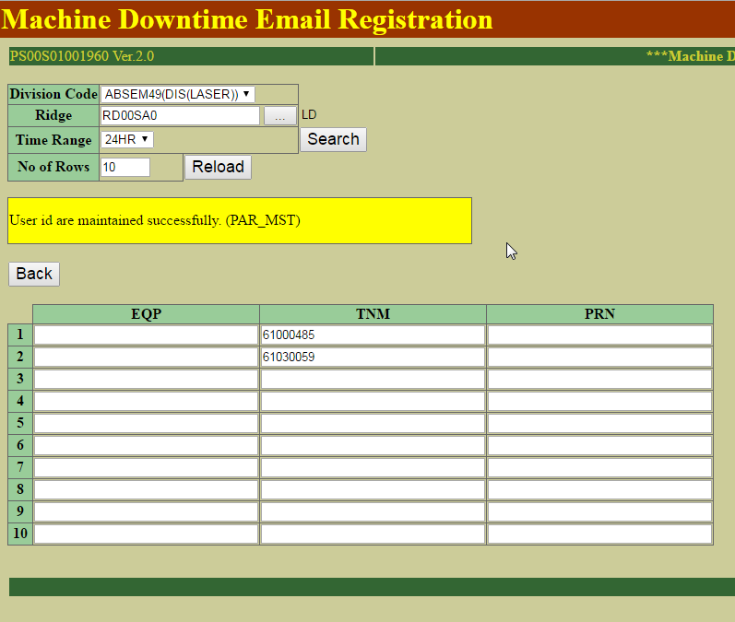

Update the DEL_FLG to "1" if User Id remove in the list

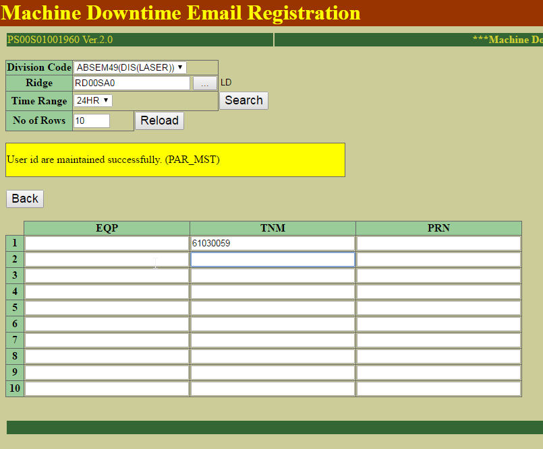

 |  | sql: | SELECT * FROM RCP_MST WHERE RCP_CD = 'RC21S0000001'
 |  | DEL_FLG | RCP_CD | PRM_CD | LST_NO | PRM_DAT_TXT | PRM_DAT_VAL | NUM_PRM_FLG | UNT_CD | DSP_FLG | GTH_FLG_RCP | CRT_DTS | USR_ID_CRT | UPD_DTS | USR_ID_UPD | UPD_LEV
 |  | 1 | RC21S0000001 | PM49S0000128 | 1 |  | Null | 0 |  | 0 | 0 | 3/27/17 | MASEMC30381 | 3/27/17 | MASEMC30381 | 1
 |  | 1 | RC21S0000001 | PM49S0000129 | 2 |  | Null | 0 |  | 0 | 0 | 3/27/17 | MASEMC30381 | 3/27/17 | MASEMC30381 | 1
 |  | 1 | RC21S0000001 | PM49S0000130 | 3 |  | Null | 0 |  | 0 | 0 | 3/27/17 | MASEMC30381 | 3/27/17 | MASEMC30381 | 1
 |  | 1 | RC21S0000001 | PM49S0000131 | 4 |  | Null | 0 |  | 0 | 0 | 3/27/17 | MASEMC30381 | 3/27/17 | MASEMC30381 | 1
 |  | 1 | RC21S0000001 | PM49S0000132 | 5 |  | Null | 0 |  | 0 | 0 | 3/27/17 | MASEMC30381 | 3/27/17 | MASEMC30381 | 1
 |  | 1 | RC21S0000001 | PM49S0000133 | 6 |  | Null | 0 |  | 0 | 0 | 3/27/17 | MASEMC30381 | 3/27/17 | MASEMC30381 | 1
 |  | 1 | RC21S0000001 | PM00S0000001 | 7 | DUMMY TESTER | Null | 0 |  | 0 | 0 | 3/27/17 | MASEMC30381 | 3/27/17 | MASEMC30381 | 1
 |  | 1 | RC21S0000001 | PM00S0000002 | 8 | DUMMY FIXTURE | Null | 0 |  | 0 | 0 | 3/27/17 | MASEMC30381 | 3/27/17 | MASEMC30381 | 1
 |  | 1 | RC21S0000001 | PM21S0000002 | 10 | MN34410P1T-L_AMK | Null | 0 |  | 0 | 0 | 3/27/17 | MASEMC30381 | 3/27/17 | MASEMC30381 | 1
 |  | 1 | RC21S0000001 | PM21S0000001 | 9 | OK1 | Null | 0 |  | 0 | 0 | 3/27/17 | MASEMC30381 | 3/27/17 | MASEMC30381 | 1
 |  | 1 | RC21S0000001 | PM49S0000128 | 1 | EQ21S00002 | Null | 0 |  | 0 | 0 | 3/27/17 | MASEMC30381 | 3/27/17 | MASEMC30381 | 2
 |  | 1 | RC21S0000001 | PM49S0000129 | 2 |  | Null | 0 |  | 0 | 0 | 3/27/17 | MASEMC30381 | 3/27/17 | MASEMC30381 | 2
 |  | 1 | RC21S0000001 | PM49S0000130 | 3 |  | Null | 0 |  | 0 | 0 | 3/27/17 | MASEMC30381 | 3/27/17 | MASEMC30381 | 2
 |  | 1 | RC21S0000001 | PM49S0000131 | 4 |  | Null | 0 |  | 0 | 0 | 3/27/17 | MASEMC30381 | 3/27/17 | MASEMC30381 | 2
 |  | 1 | RC21S0000001 | PM49S0000132 | 5 |  | Null | 0 |  | 0 | 0 | 3/27/17 | MASEMC30381 | 3/27/17 | MASEMC30381 | 2
 |  | 1 | RC21S0000001 | PM49S0000133 | 6 |  | Null | 0 |  | 0 | 0 | 3/27/17 | MASEMC30381 | 3/27/17 | MASEMC30381 | 2
 |  | 1 | RC21S0000001 | PM00S0000001 | 7 | DUMMY TESTER | Null | 0 |  | 0 | 0 | 3/27/17 | MASEMC30381 | 3/27/17 | MASEMC30381 | 2
 |  | 1 | RC21S0000001 | PM00S0000002 | 8 | DUMMY FIXTURE | Null | 0 |  | 0 | 0 | 3/27/17 | MASEMC30381 | 3/27/17 | MASEMC30381 | 2
 |  | 1 | RC21S0000001 | PM21S0000002 | 10 | MN34410P1T-L_AMK | Null | 0 |  | 0 | 0 | 3/27/17 | MASEMC30381 | 3/27/17 | MASEMC30381 | 2
 |  | 1 | RC21S0000001 | PM21S0000001 | 9 | OK1 | Null | 0 |  | 0 | 0 | 3/27/17 | MASEMC30381 | 3/27/17 | MASEMC30381 | 2
 |  | 0 | RC21S0000001 | PM49S0000128 | 1 | EQ21S00002 | Null | 0 |  | 0 | 0 | 3/27/17 | MASEMC30381 | 0001-01-01 00:00:00 |  | 3
 |  | 0 | RC21S0000001 | PM49S0000129 | 2 |  | Null | 0 |  | 0 | 0 | 3/27/17 | MASEMC30381 | 0001-01-01 00:00:00 |  | 3
 |  | 0 | RC21S0000001 | PM49S0000130 | 3 |  | Null | 0 |  | 0 | 0 | 3/27/17 | MASEMC30381 | 0001-01-01 00:00:00 |  | 3
 |  | 0 | RC21S0000001 | PM49S0000131 | 4 |  | Null | 0 |  | 0 | 0 | 3/27/17 | MASEMC30381 | 0001-01-01 00:00:00 |  | 3
 |  | 0 | RC21S0000001 | PM49S0000132 | 5 |  | Null | 0 |  | 0 | 0 | 3/27/17 | MASEMC30381 | 0001-01-01 00:00:00 |  | 3
 |  | 0 | RC21S0000001 | PM49S0000133 | 6 |  | Null | 0 |  | 0 | 0 | 3/27/17 | MASEMC30381 | 0001-01-01 00:00:00 |  | 3

 |  | 0 | RC21S0000001 | PM00S0000002 | 8 | DUMMY FIXTURE | Null | 0 |  | 0 | 0 | 3/27/17 | MASEMC30381 | 0001-01-01 00:00:00 |  | 3
 |  | 0 | RC21S0000001 | PM21S0000001 | 9 | OK1 | Null | 0 |  | 0 | 0 | 3/27/17 | MASEMC30381 | 0001-01-01 00:00:00 |  | 3
 |  | 0 | RC21S0000001 | PM21S0000002 | 10 | MN34410P1T-L_AMK | Null | 0 |  | 0 | 0 | 3/27/17 | MASEMC30381 | 0001-01-01 00:00:00 |  | 3

